ReadMe
 | Notification form - Foreign Assets and Liabilities Accounts (FALAs)
 | Instructions for completing the form

This form is used for the notification by a resident company of each asset and/or liability account held with foreign parties. This notification is required in accordance with article 8 of the State Ordinance Foreign Exchange Transactions (SOFET) and the Decree on Balance of Payments Reporting Instructions 2026 (Decree RI 2026).

First time notification: this form should be completely filled out and emaild to the Statistics Department of the CBA (statistics.department@cbaruba.org). Please refer to sheet Framework for a guideline on classifying foreign assets and liabilities accounts. Upon succesfull review of the first submitted notification form- FALA, you will receive the reporting instructions. Next step is to upload the form to the reporting web portal

1. Please complete all required cells in the first sheet: FALAs.

1.1 | The first part of sheet FALAs covers general information of the resident company.
- | The company legal name, trade name and chamber of commerce # must correspond with information registered at the Aruba Chamber of Commerce & Industry;
- | The telephone number and e-mail address can be repeated if the contact person and the representative assigned to complete reporting are the same person.

1.2 | The first part of sheet FALAs covers foreign assets and liabilities accounts information of the resident company.
- | Fill out every questionnaire with a 'Yes' or 'No'.

2. Please complete all required cells in the second sheet: FBA-FIA-WMA information.

The sheet FBA-FIA-WMA information covers the foreign accounts. For every row that is filled out:
- | The bank name (in column 'Bank name or Affiliate name') and account number (in column 'Bank account number') are required if FBA or WMA is selected as type of FALA;
- | The foreign intercompany company name (in column 'Bank name or Affiliate name') is required if FIA is selected as type of FALA (column 'Bank account number' must be left blank);
- | Column 'Opening date' (in format yyyy-MM-dd, e.g., 2023-06-30) and 'Country' (based on drop down option, e.g., United States - US) must be completed.

3. Notes:

- | For proper functioning, this template requires that Excel Calculation Options are set to Automatic in the Formulas section;
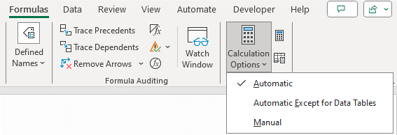

- | Required fields are interactively highlighted in red once the template is being filled out;
- | Please use only 'paste as values' in case of copy/paste;
- | Refer to the user guides shared by the Statistics Department for submitting data through the Vortex web portal.

If there are questions regarding these instructions and for assistance when filing this form, please contact the Statistics Department of the CBA via: statistics.department@cbaruba.org.

